
 |  |  |  | CODE: |  |  | pl1215 aa SN from 96D673
DESCRIPTION: |  | HEAD FASTENER |  | KOPFHALTER | BUTEE TETE | RETÉN CABEZA | FERMA TESTATA
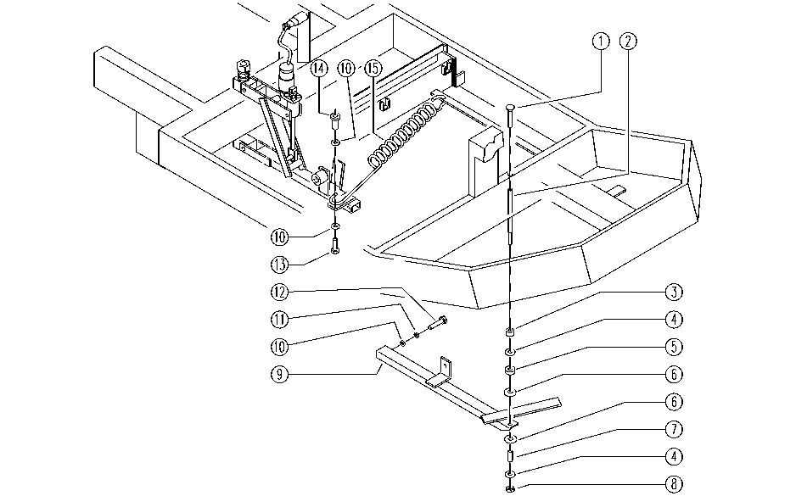

REF. | CODE | DESCRIPTION | QT
1 | E86976 | Screw M6-12 | 1
2 | E86933 | Pivot Pin | 1
3 | SL07340 | SPACER | 1
4 | E86979 | Washer D 8-24 | 2
5 | E86975 | Rubber Gasket | 1
6 | E86980 | Washer D13-24-2.5 | 2
7 | E86981 | Spacer | 1
8 | E86853 | Nyloc Hex Nut, M8 Zinc | 1
9 | SL09517 | LEVER | 1
10 | E86707 | Cham Washer D10 | 4
11 | E86700 | Cham Washer D6 | 2
12 | E89486 | Screw | 2
13 | E86705 | Screw TE M 6-30 | 1
14 | SL07054 | BUSHING/BUSH | 1
15 | E86699 | Head Spring | 1

